Table 1

Selected Acquisition Report (SAR)
RCS: DD-A&T(Q&A)823-261
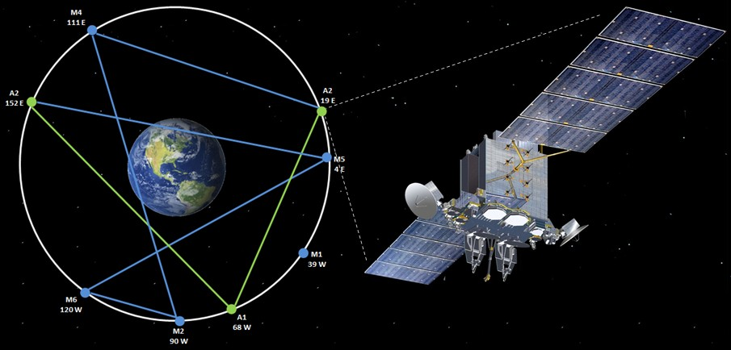
Advanced Extremely High Frequency Satellite (AEHF)
As of FY 2017 President's Budget
Defense Acquisition Management Information Retrieval
(DAMIR)

Table 12
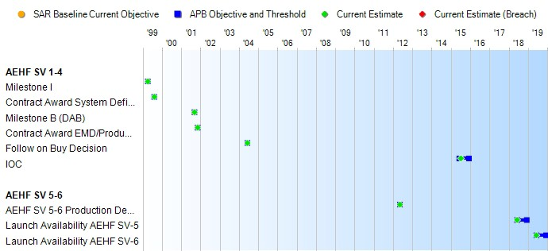
Schedule

Table 48
AEHF SV 1-4
Unit Cost History
Item |  |  |  |  |  | Date |  |  |  | BY 2002 $M |  |  |  |  |  |  | TY $M
 |  |  |  |  |  |  |  |  |  | PAUC |  | APUC |  |  |  |  | PAUC |  |  |  | APUC

Original APB |  |  |  |  | Oct 2001 |  |  |  |  | 1055.840 |  |  |  | 401.667 |  |  |  | 1129.060 |  |  |  | 460.133
APB as of January 2006 |  |  |  |  | Mar 2005 |  |  |  |  | 1933.567 |  |  |  | 577.000 |  |  |  | 2028.567 |  |  |  | 617.300
Revised Original APB |  |  |  |  | Mar 2014 |  |  |  |  | 2271.325 |  |  |  | 1327.550 |  |  |  | 2548.775 |  |  |  | 1575.550
Prior APB |  |  |  |  | Oct 2012 |  |  |  |  | 2271.325 |  |  |  | 1327.550 |  |  |  | 2548.775 |  |  |  | 1575.550
Current APB |  |  |  |  | Mar 2014 |  |  |  |  | 2271.325 |  |  |  | 1327.550 |  |  |  | 2548.775 |  |  |  | 1575.550
Prior Annual SAR |  |  |  |  | Dec 2014 |  |  |  |  | 2334.350 |  |  |  | 1280.800 |  |  |  | 2637.500 |  |  |  | 1524.100
Current Estimate |  |  |  |  | Dec 2015 |  |  |  |  | 2349.450 |  |  |  | 1283.750 |  |  |  | 2655.550 |  |  |  | 1527.200
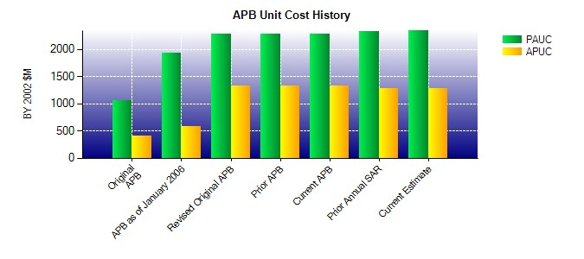
SAR Unit Cost History
Initial SAR Baseline to Current SAR Baseline (TY $M)
Initial PAUC Development Estimate | Changes |  |  |  |  |  |  |  |  |  |  |  |  |  |  |  |  |  |  | PAUC Production Estimate
 | Econ |  | Qty |  |  |  | Sch |  | Eng |  | Est |  | Oth |  |  | Spt |  | Total
1129.060 -35.225 -291.584 262.425 0.000 342.633 0.000 -0.275 277.974 2028.567
Current SAR Baseline to Current Estimate (TY $M)
PAUC Production Estimate |  | Changes |  |  |  |  |  |  |  |  |  |  |  |  |  |  |  |  | PAUC Current Estimate
 |  | Econ |  | Qty |  |  |  | Sch | Eng |  | Est | Oth |  |  | Spt |  | Total
2028.567 39.775 -270.642 316.800 69.325 471.725 0.000 0.000 626.983 2655.550

Table 51
Unit Cost History
Item |  |  | Date |  | BY 2002 $M |  |  |  |  |  | TY $M
 |  |  |  |  | PAUC |  | APUC |  |  |  | PAUC |  |  | APUC

Original APB |  | Mar 2014 |  |  | 1357.550 |  |  | 1328.000 |  |  |  | 1744.100 |  |  | 1707.200
APB as of January 2006 |  | N/A |  |  | N/A |  |  | N/A |  |  |  | N/A |  |  | N/A
Revised Original APB |  | N/A |  |  | N/A |  |  | N/A |  |  |  | N/A |  |  | N/A
Prior APB |  | N/A |  |  | N/A |  |  | N/A |  |  |  | N/A |  |  | N/A
Current APB |  | Mar 2014 |  |  | 1357.550 |  |  | 1328.000 |  |  |  | 1744.100 |  |  | 1707.200
Prior Annual SAR |  | Dec 2014 |  |  | 1045.150 |  |  | 1020.050 |  |  |  | 1360.350 |  |  | 1328.750
Current Estimate |  | Dec 2015 |  |  | 1048.550 |  |  | 1023.350 |  |  |  | 1359.250 |  |  | 1327.650
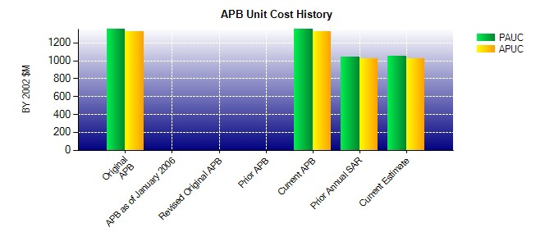
SAR Unit Cost History
Current SAR Baseline to Current Estimate (TY $M)
Initial PAUC Production Estimate | Changes |  |  |  |  |  |  |  |  |  |  |  | PAUC Current Estimate
 | Econ | Qty | Sch | Eng | Est | Oth |  |  | Spt | Total
1744.100 27.450 0.000 0.000 0.000 -412.300 0.000 0.000 -384.850 1359.250

